Schedule
Von der Karibik zur US-Ostküste und nach Europa
AMR131 | 28 Tage | 29.03.2025 - 26.04.2025

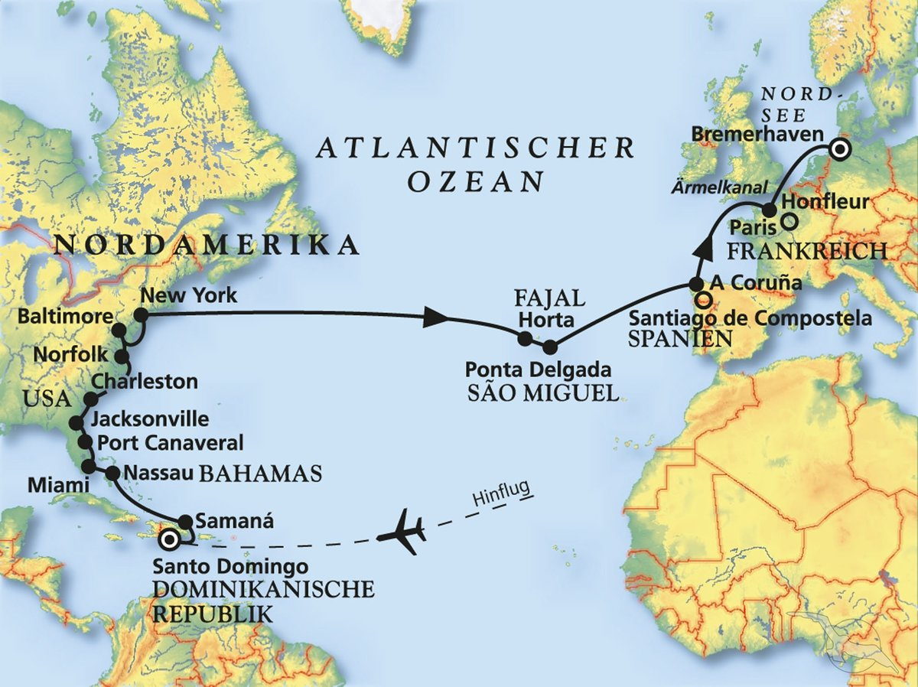
D | Date | Day | A/B/C | STA | STD | Port | Port Code
1 | 29-Mar-25 | 2025-03-29 | B | 8:00:00 | - | SANTO DOMINGO | DOSDQ
2 | 30-Mar-25 | 2025-03-30 | B | - | 14:30:00 | Santo Domingo | DOSDQ
3 | 31-Mar-25 | 2025-03-31 | A | 7:00:00 | 17:00:00 | Samana | DOAZS
4 | 1-Apr-25 | 2025-04-01 | C | - | - | At sea | -
5 | 2-Apr-25 | 2025-04-02 | B | 11:00:00 | 18:00:00 | Nassau | BSNAS
6 | 3-Apr-25 | 2025-04-03 | B | 9:00:00 | 19:00:00 | Miami | USMIA
7 | 4-Apr-25 | 2025-04-04 | B | 8:00:00 | 17:00:00 | Port Canaveral | USPCV
8 | 5-Apr-25 | 2025-04-05 | B | 13:00:00 | - | Charleston | USCHS
9 | 6-Apr-25 | 2025-04-06 | B | - | 18:00:00 | Charleston | USCHS
10 | 7-Apr-25 | 2025-04-07 | C | - | - | At sea | -
11 | 8-Apr-25 | 2025-04-08 | B | 8:00:00 | 18:00:00 | Norfolk | USORF
12 | 9-Apr-25 | 2025-04-09 | B | 8:00:00 | 23:00:00 | Baltimore | USBAL
13 | 10-Apr-25 | 2025-04-10 | C | - | - | At sea | -
14 | 11-Apr-25 | 2025-04-11 | B | 9:00:00 | - | New York | USNYC
15 | 12-Apr-25 | 2025-04-12 | B | - | 17:00:00 | New York | USNYC
16 | 13-Apr-25 | 2025-04-13 | C | - | - | At sea | -
17 | 14-Apr-25 | 2025-04-14 | C | - | - | At sea | -
18 | 15-Apr-25 | 2025-04-15 | C | - | - | At sea | -
19 | 16-Apr-25 | 2025-04-16 | C | - | - | At sea | -
20 | 17-Apr-25 | 2025-04-17 | C | - | - | At sea | -
21 | 18-Apr-25 | 2025-04-18 | B | 14:00:00 | 20:00:00 | Horta | PTHOR
22 | 19-Apr-25 | 2025-04-19 | B | 8:00:00 | 18:00:00 | Ponta Delgada | PTPDL
23 | 20-Apr-25 | 2025-04-20 | C | - | - | At sea | -
24 | 21-Apr-25 | 2025-04-21 | C | - | - | At sea | -
25 | 22-Apr-25 | 2025-04-22 | B | 8:00:00 | 15:00:00 | La Coruna | ESLCG
26 | 23-Apr-25 | 2025-04-23 | C | - | - | At sea | -
27 | 24-Apr-25 | 2025-04-24 | B | 9:00:00 | 19:00:00 | Honfleur | FRHON
28 | 25-Apr-25 | 2025-04-25 | C | - | - | At sea | -
- | 26-Apr-25 | 2025-04-26 | B | 8:00:00 | 18:00:00 | BREMERHAVEN | DEBRV

